Scatter Plot
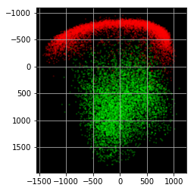
Scatter Plot of PCA components p1 and p2 for digits 1 and 3 in the training set

